Report
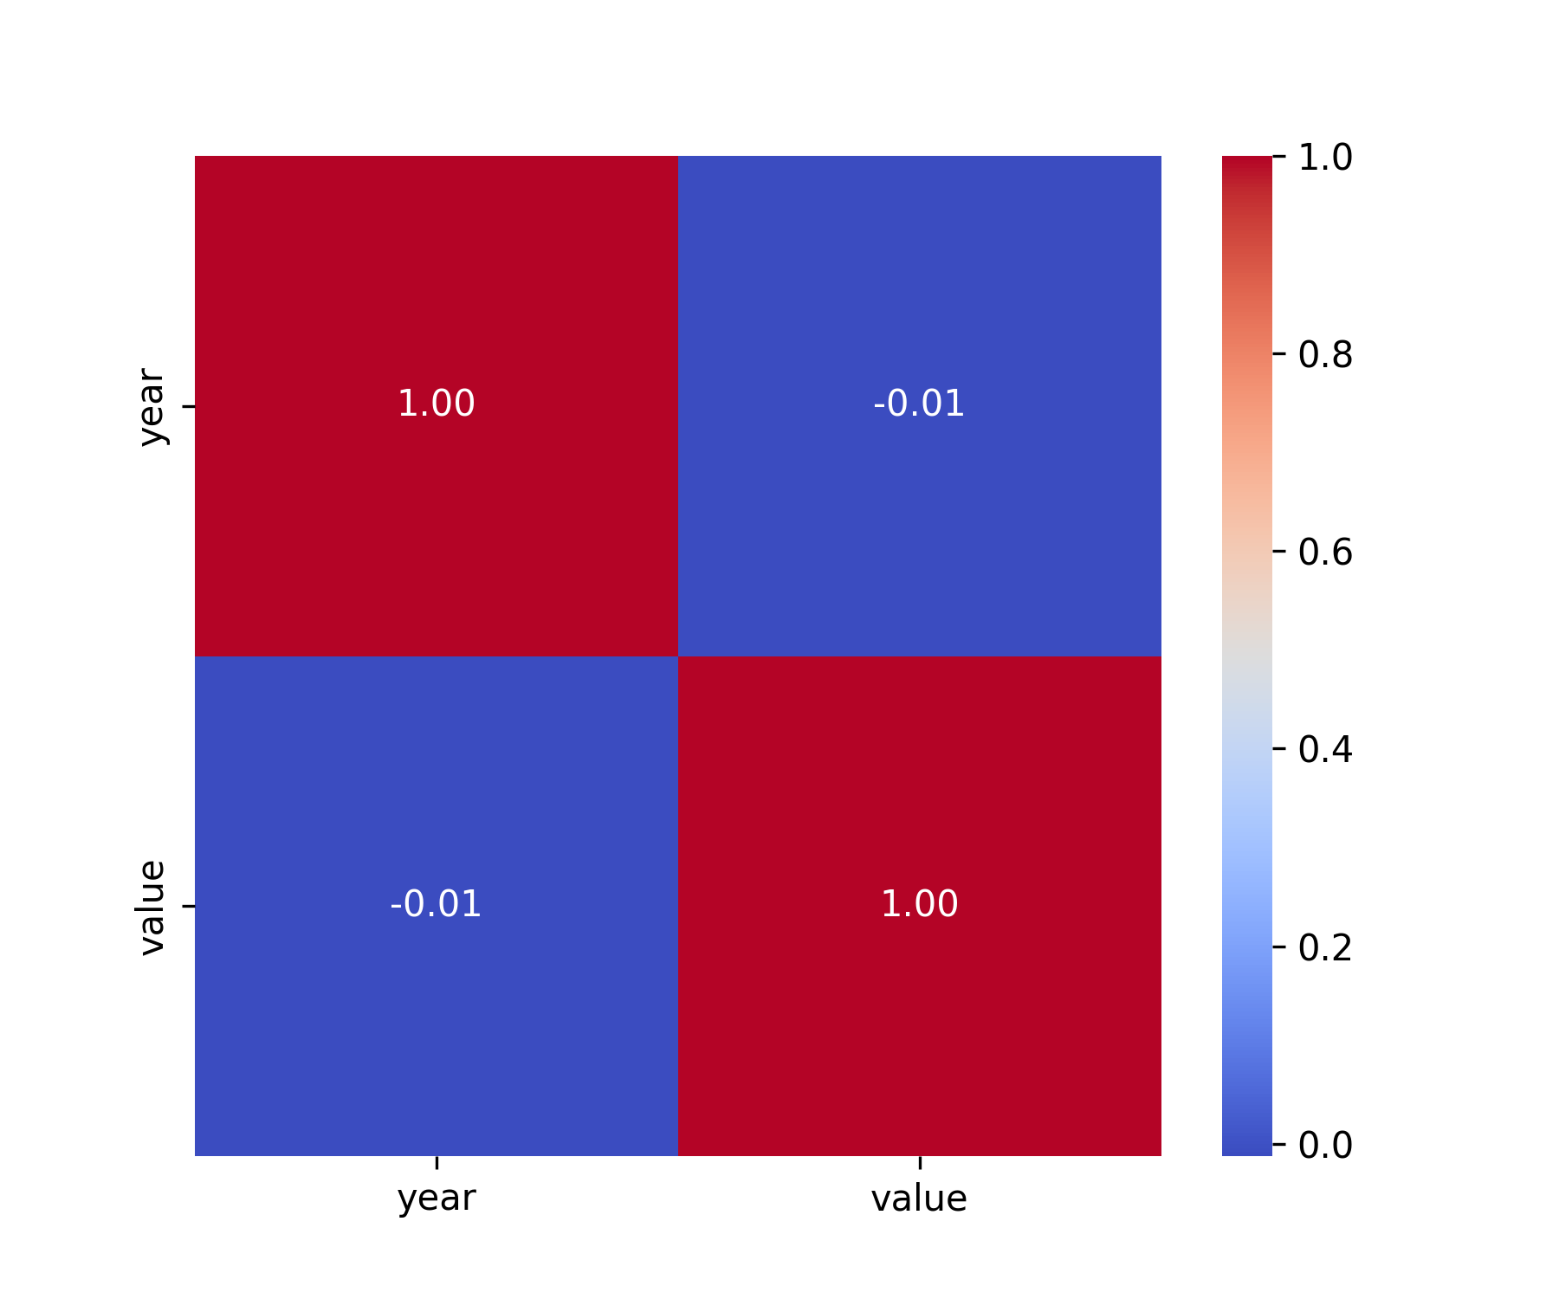
Report on Greenhouse Gas Values

1. Value Distribution

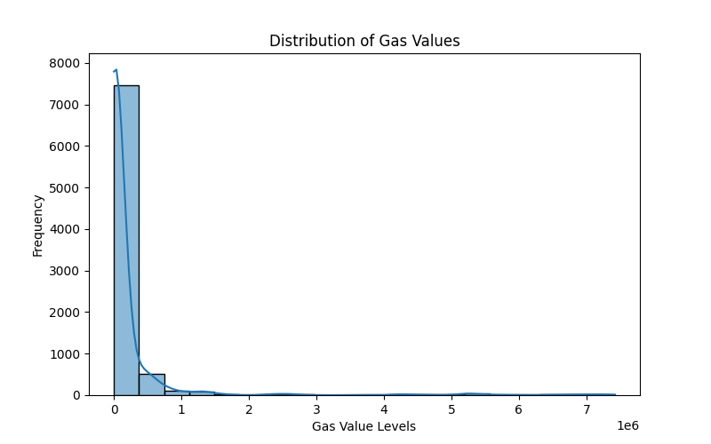

2. Top 10 Countries by Value

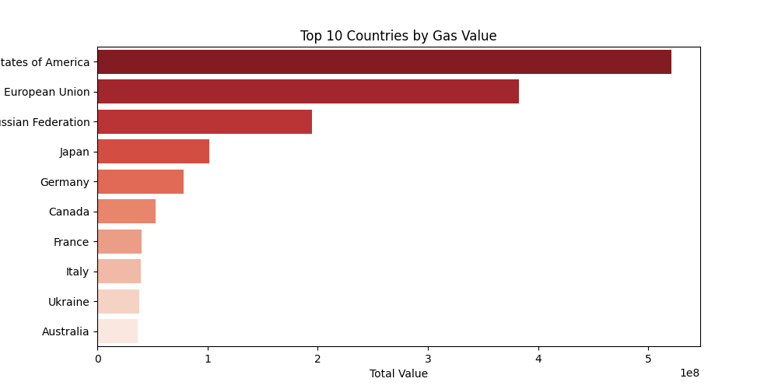

3. Yearly Trend of Values

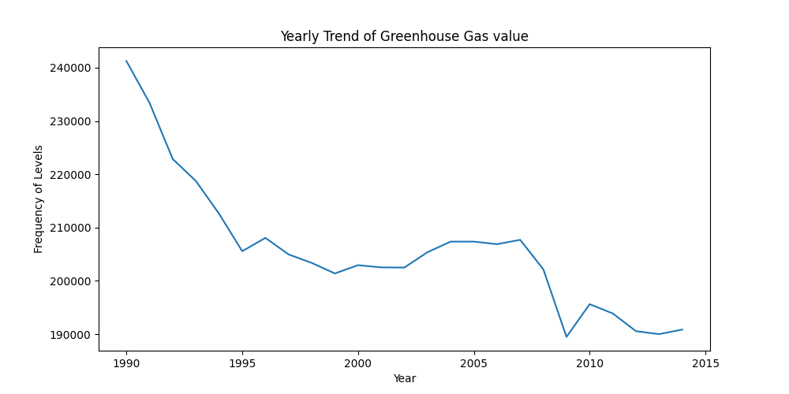

4. Value Contribution by Continent

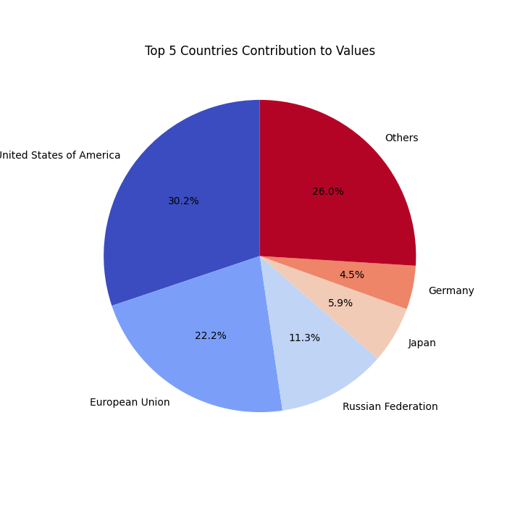

5. Top 5 Industries by Value

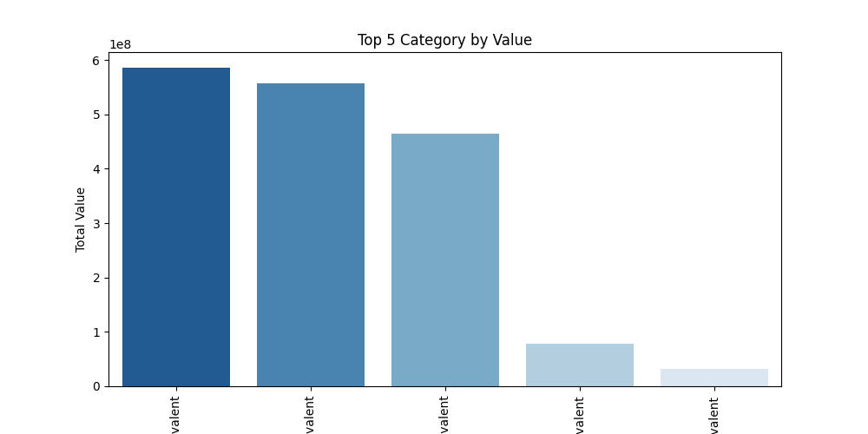

6. Yearly Value Comparison

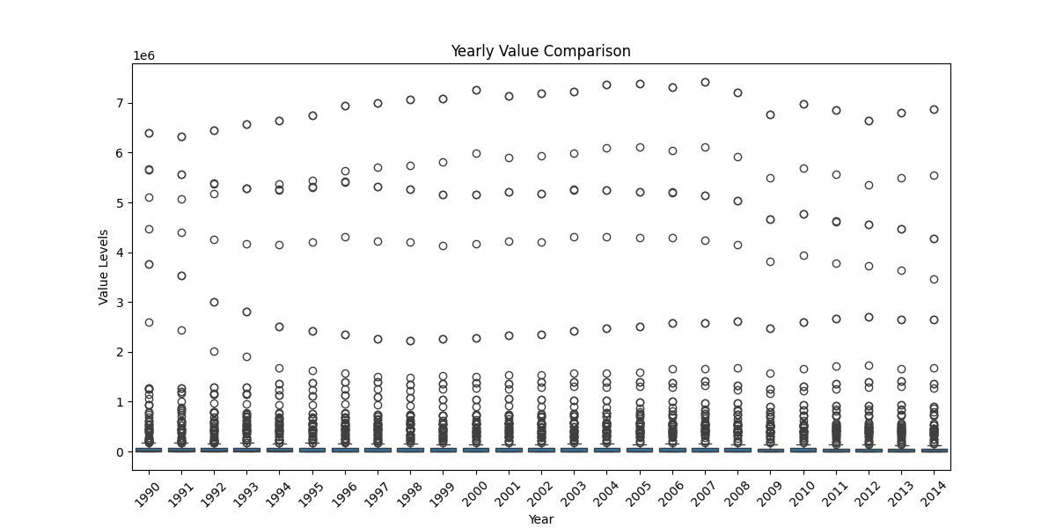

7. Box Plot By Value

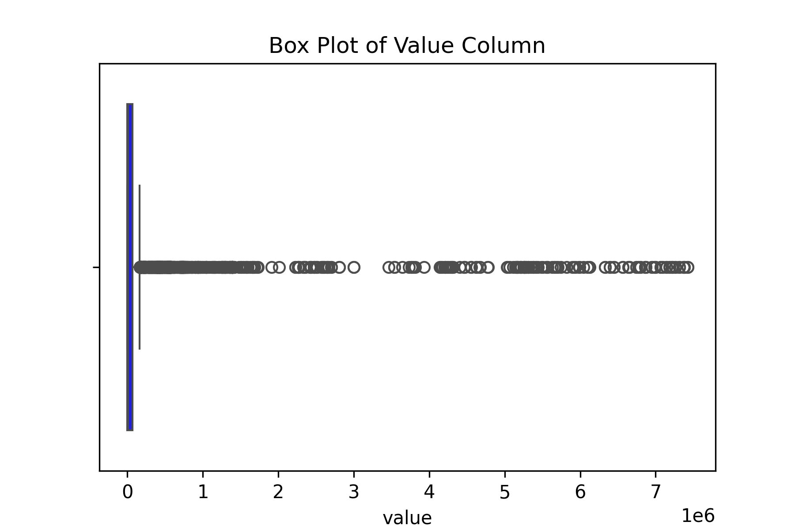

8. Heatmap

Reports
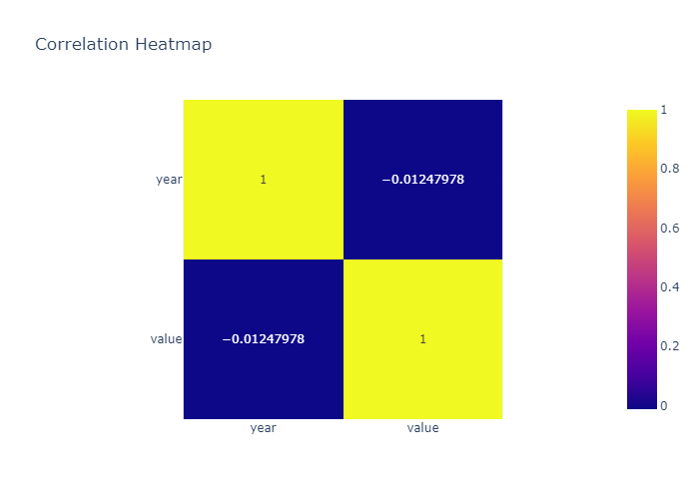
 | count | mean | std | min | 25% | 50% | 75% | max
year | 8406 | 2002.1884368 | 7.1516047883 | 1990 | 1996 | 2002 | 2008 | 2014
value | 8406 | 205547.19137 | 804150.37704 | 1.10375E-06 | 297.69802165 | 7840.3183256 | 65898.849435 | 7422207.963

Histogram of year
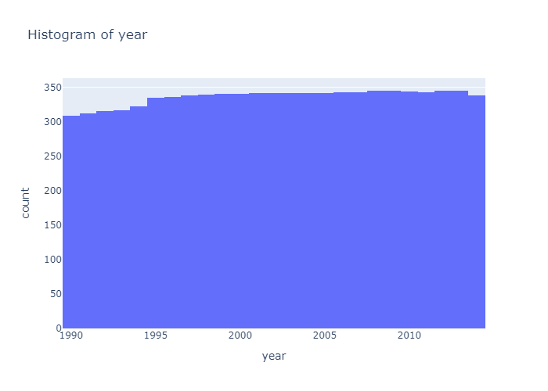

Histogram of value
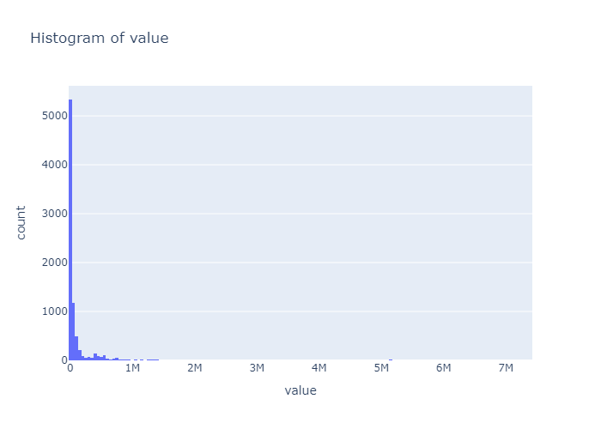

Box Plot of year
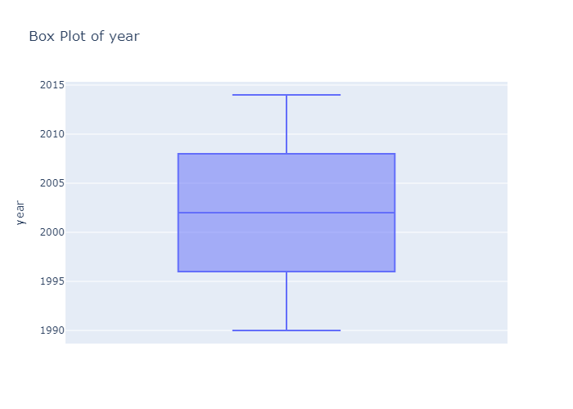

Box Plot of value
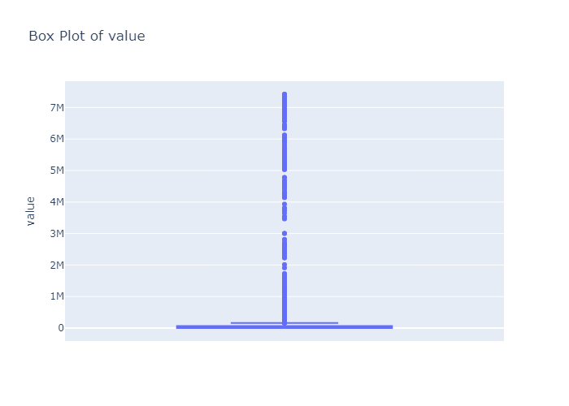

Scatter Plot: year vs value
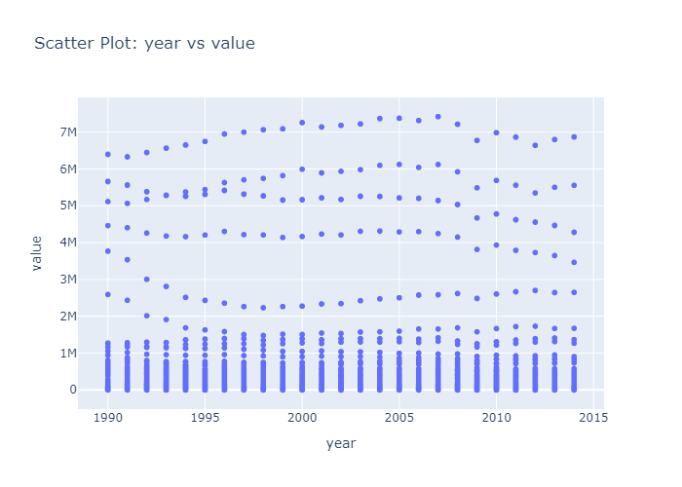

Correlation Heatmap

